Session_03_2.1 Portfo Selection
Quantitative Analysis for Business Decisions: Session 3. Example 2.1 Portfolio Selection. Students. |  |  |  | After you solve the mode, answer the following questions:
Data for the problem:

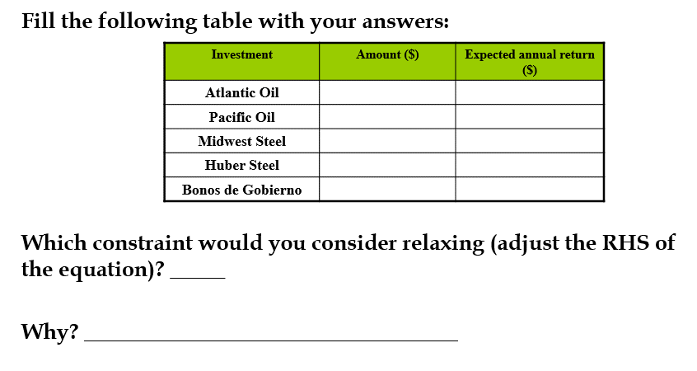
INVESTMENT | PROJECTED RATE OF RETURN (%) |  |  | Amount | Exp annual return
Atlantic Oil, A | 0.073
Pacific Oil, P | 0.103
Midwest Steel, M | 0.064
Huber Steel, H | 0.075
Government bonds, G | 0.045

Available funds | 100000

Model:
 | Decision Variables:
Number and type of interviews: | A | 0
 | P | 50000
 | M | 0
 | H | 40000
 | G | 10000 |  |  | The best constraint to consider relaxing is the one with the largest shadow price. We will talk about this in class 4.

Obj. Function: | 8600.00 |  |  |  | Investment | Amount ($) | Expected annual return ($) | Total ($)
 |  |  |  |  | Atlantic Oil, A | $- | $- | $-
 |  |  |  |  | Pacific Oil, P | $50,000.00 | $5,150.00 | $55,150.00
Constraints: | LHS |  | RHS |  | Midwest Steel, M | $- | $- | $-
Oil less then 50% | 50000 | <= | 50000 |  | Huber Steel, H | $40,000.00 | $3,000.00 | $43,000.00
Steel less then 50% | 40000 | <= | 50000 |  | Government bonds, G | $10,000.00 | $450.00 | $10,450.00
Government Bonds at least 25% | 0 | >= | 0
Pacific Oil not more then 60% oil industry | 20000 | >= | 0
Total budget $100000 | 100000 | = | 100000

